Design
TPS55340 DESIGN FILE

 | Considerations
 | Duty cycle must be between 10% and 90%
 | Duty cycle must be higher than 77ns. If the duty cycle is less than 77ns the chip enters in pulse skiping mode and it increases output ripple
 | Switching freq

 | A lower frequency provides a better efficiency, the frequency will be the lowest possible. It is also a main factor in component size, low frequency equals bigger components.

 | Freq = | 300000 | Hz
 | Rfreq = | 118161.3547876875 | Ω | i came with the adjustment in the Freq equation sheet. Equation was giving ratios and not a number

 | Min on time= | 7.7e-08 | sec

 | Absolute min duty cycle = | 0.0231

 | Vout

 | Vin max = | 16.5 | V
 | Vin min (battery voltage)= | 14.8 | V
 | Vout = | 19 | V
 | RSL = | 1500 | Ω
 | RSH = | 21689.5850284784 | Ω
 | SoftStart
 | A current of 6uA is biased on the SS pin
 | Once the capacitor reaches 1.8 V,the soft-start cycle is completed and the soft-start voltage no longer clamps the error amplifier output
 | When IC enters the shutdown mode, the SS capacitor is discharged througha 5-kΩ resistor

 | Charge current = | 6e-06 | A

 | (In function of rise time)
 | Charge time = | 0.03 | sec | Arbitrairy
 | Capacitor needed = | 1e-07 | F

 | (In fucntion of capacity)
 | Capacity = | 4.7e-08 | F | Arbitrairy
 | Charge time obtained = | 0.0141 | sec

 | Slope Compensation

 | Where Rsense is equal to 15 mΩ

 | Where D is the duty cycle

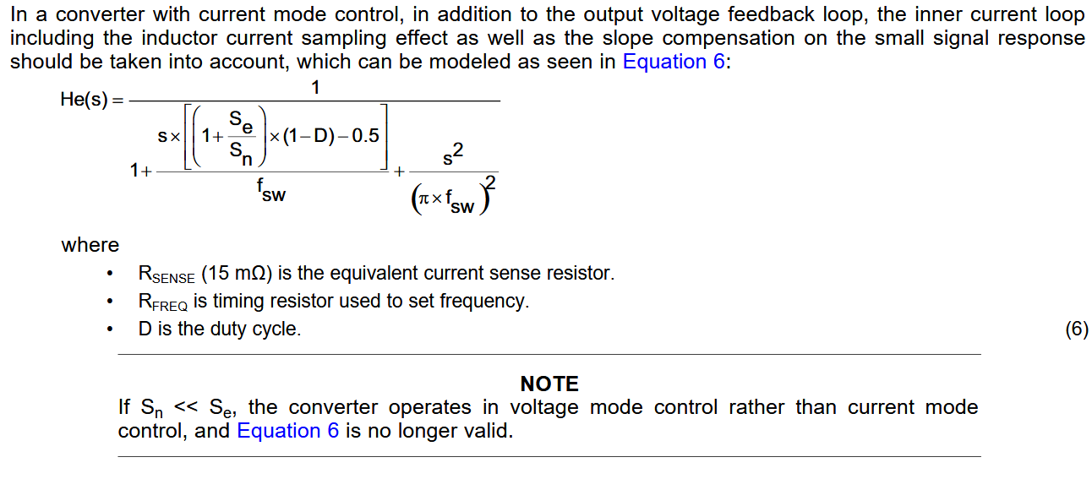

 | Inductor choice

 | Where Vd is the shotkey forward voltage drop

 | The shotkey chosen is the : | PMEG6045ETPX | https://www.digikey.ca/product-detail/en/nexperia-usa-inc/PMEG6045ETPX/1727-1350-1-ND/4386368
 | It has been chosen for it's fast recovery time (20ns) and low foward voltage (0,53V@4,5A) bias by also meeting base specs (Forward ampere and reverse max voltage)

 | Vd @ 2A = | 0.39 | V
 | Vd @ 1,5A = | 0.37 | V
 | Vd @ 1A = | 0.35 | V
 | Vd @ 0,5A = | 0.33 | V | Chosen

 | Power estimated with benchmark that uses max CPU freq is at 6W
 | Accessories on Jetson is estimated at 7W
 | Boundary current max = | 0.3684210526 | A

 | This boundary current is chosen to have the IC always work in CCM. The value of the CPU consumption will not affect the mode

 | L for estimated boundarie current= | 1.20133e-05 | H

 | We can use equation 8 since boundary current was designed to be a minimum
 | Duty Cycle for Vmin (D) = | 23%
 | Duty Cycle for Vmax (D) = | 15%
 | estimated efficiency (ηest)= | 90%

 | Chose this value for maximum efficiency
 | Kind chosen = | 0.2

 | Iout estimated = | 0.3684210526 | A
 | Iin avg = | 0.5255255255 | A
 | Power seen by batterie = | 7.7777777778 | W

 | Lo min (minimum inductance) >= | 0.0001099975 | H
 | minimum Boundary current = | 0.0402368224 | A

 | Chosen inductance = | 0.00012 | H | https://www.digikey.ca/product-detail/en/bourns-inc/SRR1280-121K/SRR1280-121KCT-ND/2127430
 |  | 0.0368829312 | A
 | The calculated boundary current meets the specs established earlier

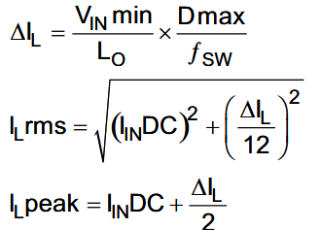

 | ΔIL = | 0.0963441973 | A
 | Ilrms = | 0.5255868508 | A
 | Ilpeak = | 0.5736976242 | A

 | Maximum Output current

 | Ilim = | 1.95 | A | Chose after the chosen inductor since 5,2 A and higher would require a big inductor fort the same value
 | Iout max = | 1.4851761919 | A
 | Power out Max = | 28.2183476461 | W

 | Output Capacitor

 | Vripple = | 0.1 | V | Arbitrairy value

 | Cout >= | 1.16017e-05 | F

 | ESR ripple ignored since we will use ceramic capacitor

 | It is generally recommended to limit the bandwidth of the loop to the lower of either 1/5 of the switching frequency ƒSW or 1/3 the RHPZ frequency,ƒRHPZ shown in Equation28

 | fRHPZ @ worst case current = | 10295.1039668719 | Hz
 | fRHPZ @ worst estimated current = | 41501.5461129152 | Hz
 | FBW from fRHPZ < | 3431.7013222906 | Hz | Chosen because it is more strict
 | fBW from fsw< | 54545.4545454545 | Hz

 | Itran max = | 0.25 | A | Arbitrairy | Chosen because i estimate the current of a plugged accesory to this current
 | Vtran max = | 0.3 | V | Arbitrairy | Chosen because i dont want to surpass the absolute max of the jetson of 19,6V

 | Cout >= | 3.86482e-05 | F | Chosen as minimum value because it is the higher value between the two

 | ICOrms @ worst case current = | 0.8216677131 | A | RMS current from capacitors

 | Input Capacitors

 | ICIrms = | 0.0278121741 | A | RMS current capacitor of the input capacitors

 | Chosen capacitor 1 | https://www.digikey.ca/product-detail/en/murata-electronics-north-america/GRT31CR61H106ME01L/490-12457-1-ND/5417158
 | Chosen for low derating @ desired input voltage
 | Capacitor value = | 1e-05 | F
 | Capacitor value @ 14,8V = | 3.08e-06 | F
 | Capacitor value @ 16,8V = | 2.656e-06 | F
 | Capacitor value @ 19V = | 2.296e-06 | F
 | RCIN @ fsw = | 0.008 | Ω | https://ds.murata.co.jp/simsurfing/mlcc.html?lcid=en-us
 | Chosen capacitor 2 | https://www.digikey.ca/product-detail/en/panasonic-electronic-components/EEE-FK1V330P/PCE3840CT-ND/766216
 | Chosen for low ESR and ripple capacity
 | Capacitor value = | 3.3e-05 | F
 | Impedance @ 100kHz = | 0.36 | Ω

 | Total capacitance @ 14,8V = | 3.608e-05 | F
 | Total ESR @ 200 KHz | 0.007826087 | Ω

 | Vripple = | 0.0029792428 | V

 | i chose this capacitance to be sure that ripple with not affect the battery
 | These will also be the output capacitance for BOM reduction

 | To obtain minimum output capacitance, at least one electrolytic capacitor is needed and 6x10uF
 | Minimum output capacitance with 20% security factor | 4.63779e-05 | F
 | Total capacitance @19V | 4.6776e-05 | F
 | Total ESR @ 200 kHz | 0.0013284133 | Ω

 | Control loop

 | Fout @worst current = | 531.9262516623 | Hz
 | Fout @estimated current = | 131.9525795177 | Hz

 | C4 value = | 4.7e-08 | F
 | R3 value = | 1500 | Ω

 | fp = | 0.3386275385 | Hz
 | fz = | 2257.5169232893 | Hz

 | C5 = | 0 | F
 | C chosen | 0 | F

 | fp2 = | 2467518.497548765 | Hz

 | fzesr = | 2561320.001348248 | Hz

